pack list
Mold No. | Mold Pic | style | Product Descriptions |  |  |  |  |  |  |  |  |  |  |  |  |  | pcs | Packing Details
 |  |  | Movt. |  | Watch Case |  |  | Watch Strap |  |  | Mirros |  |  | Button Type | Unit Weight/g | Waterproof |  | Inner Pack | Qty/Carton | Carton Size/cm | Packing Weight/kg
 |  |  | Model | Original | Mat. | Dia. | Thick/mm | Mat. | Length | Width | Mat. | Dia/mm | Thick/mm |  |  |  |  |  |  |  | G.W. | N.W.
JST-073 | 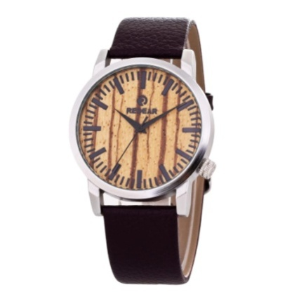 | male & female | 2035 | Japan | Metal Alloy | 42*49 |  | PU | 170-230 | 20 | Mineral Glass | 37 | 10 | Steel Buckle | 50 | daily waterproof | 150 | 1pcs/oppbag, 20pcs / inner boxes | 200 | 45*32*32CM | 11KG | 10KG
JST-048 | 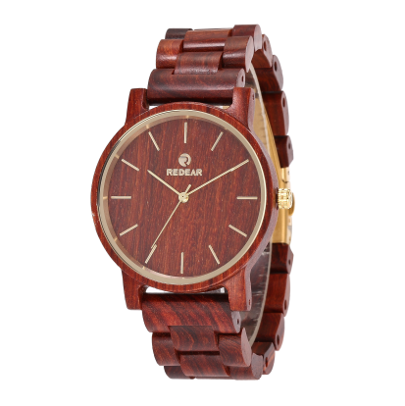 | female | 2035 | Japan | Paorosa | 35*43 |  | Paorosa | 180-235 | 18 | Mineral Glass | 33 | 11 | Spring Buckle | 40.6 | daily waterproof | 140 | 1pcs/oppbag, 20pcs / inner boxes | 200 | 45*32*32CM | 11KG | 10KG
6018-2 | 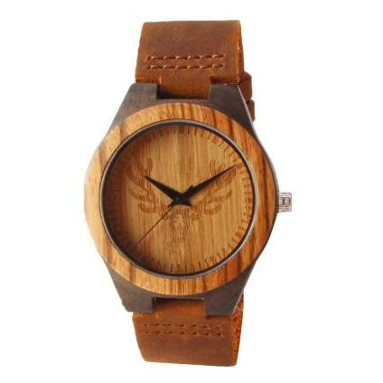 |  | 2035 | Japan | Ebony | 45 | 11 | Genuine Leather | 180 | 24 | Mineral Glass |  |  | Steel Buckle | 45g | daily waterproof | 80 | 1pcs/oppbag, 20pcs / inner boxes | 200 | 45*32*32CM | 11KG | 10KG
6011-2 | 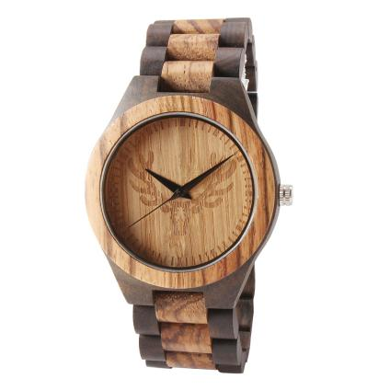 |  | 2035 | Japan | Zebrano | 45 | 11 | Zebrano | 180 | 24 | Mineral Glass |  |  | Steel Buckle | 45g | daily waterproof | 180 | 1pcs/oppbag, 20pcs / inner boxes | 200 | 45*32*32CM | 11KG | 10KG
8025-10 | 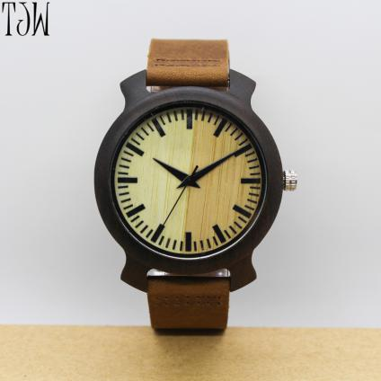 |  | 2035 | Japan | Ebony | 45 | 11 | Ebony | 180 | 24 | Mineral Glass |  |  | Steel Buckle | 45g | daily waterproof | 80 | 1pcs/oppbag, 20pcs / inner boxes | 200 | 45*32*32CM | 11KG | 10KG
 |  |  |  |  |  |  |  |  |  |  |  |  |  |  |  |  | 630

